Mass Balance
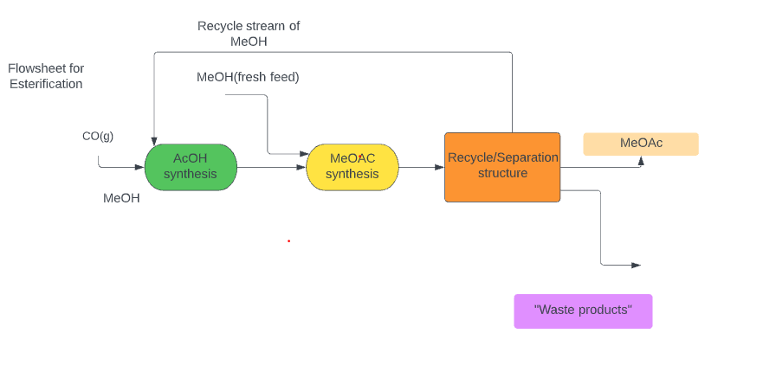
What we have (materials) | mol/yr | kg/yr | ppy | kg/hr | lb/hr
MeOH | 2296156806 | 73568864.05 | 162191389.1 | 9196.108006 | 20273.92363
MeOH 2
DME | 2296156806 | 105783944 | 233213398.7 | 13222.993 | 29151.67484
H2O | 2296156806 | 41376745.64 | 91220000.96 | 5172.093205 | 11402.50012
HOAc | 2296156806 | 137888808.5 | 303992425 | 17236.10106 | 37999.05312
CO | 2296156806 | 64315352.12 | 141790911.6 | 8039.419016 | 17723.86395
MeOAc |  |  |  | 12757.275
MeOAc 2 | 2296156806 | 170097000 | 374999248.1 | 21262.125 | 46874.90602
MeOAc Product Purity | >98.3%
 | 287.0196007 | kmol/hr

Feed flow rate | Outflow after first reaxn | Fresh MeOH | Feed after second reaxn | Recycle/Sep str |  | Materials
 |  |  |  |  |  | AcOH
 |  |  |  |  |  | CO
 |  |  |  |  |  | MeOH
 |  |  |  |  |  | MeoAC
 |  |  |  |  |  | H2O

 |  |  |  |  |  |  |  |  |  |  |  | 60% Per pass conversion
Material | Feed flow rate(kg/hr) |  | Material (CO) | Feed Flow rate(kg/hr) |  | After Synthesis Materials | Feed Flow rate(kg/hr) | New MeOH Feed Required |  | Total Feed |  | Post Reaction |  | Splitter
MeOH | 53.30218152 |  | 46.59781848 | Stoic Ratio |  | MeOH | 0.1 | MeOH | 53.30040631 | MeOH | 53.40040631 | MeOH | 21.36016253 | MeOH
H2O | 0.05335553705 |  | 1.663613655 | Moles |  | H2O | 0.05335553705 | H2O | 0.05335376007 | H2O | 0.1067092971 | H2O | 18.12684641 | H2O
Total | 53.35553705 |  |  |  |  | HOAc | 99.9 | Total Flow rate | 53.35376007 | HOAc | 99.9 | HOAC | 39.95866915 | HOAC
Mass Fraction MeOH | 0.999 |  |  |  |  | CO | 0 | Mass fraction MeOH |  | CO | 0 | CO | 0 | CO
Mass Fraction H2O | 0.001 |  |  |  |  | Total Flow Rate | 100.0533555 | Mass fraction H2O |  | Moles MeOH | 1.666679348 | MeOAC | 74.07256361 | MeOAC
Mole fraction MeOH | 0.9982233579 |  |  |  |  | Mass Fraction MeOH | 0.0009994667292 |  |  | Moles HOAc | 1.66355825 | Total Mass | 153.5182417 | Total Mass
Mole Fraction H2O | 0.001776642146 |  |  |  |  | Mass Fraction H2O | 0.000533270841 |  |  | Moles H2O | 0.005921714602 | Moles MeOH | 0.6666717393 | Moles MeOH
Moles MeOH | 1.663613655 |  |  |  |  | Mass Fraction HOAC | 0.9984672624 |  |  | Moles CO | 0 | Moles H2O | 1.005929323 | Moles H2O
 |  |  |  |  |  | Mass Fraction CO | 0 |  |  | Total Moles | 3.336159312 | Moles HOAc | 0.6654232998 | Moles HOAc
MeOH | CO | AcOH |  |  |  | Mole Fraction MeOH |  |  |  |  |  | Moles CO | 0 | Moles CO
32.04 | 28.01 | 60.05 |  |  |  | Mole Fraction H2O |  |  |  |  |  | Moles MeOAC | 1.000007609 | Moles MeOAC
 |  |  |  |  |  | Mole Fraction HOAC |  |  |  |  |  | Total Moles | 3.338031971 | Total Moles
Ch3COOH | Ch3OH | Ch3COOCh3 | H2O |  |  | Mole Fraction CO |  |  |  |  |  | Mole fraction MeOH | 0.1997199982 | Mole fraction MeOH
60.052 | 32.04 | 74.072 | 18.02 |  |  |  |  |  |  |  |  | Mole Fraction H2O | 0.301354011 | Mole Fraction H2O
 |  |  |  |  |  |  |  |  |  |  |  | Mole Fraction HOAc | 0.1993459935 | Mole Fraction HOAc
 |  |  |  |  |  |  |  |  |  |  |  | Mole Fraction CO | 0 | Mole Fraction CO
 |  |  |  |  |  |  |  |  |  |  |  | Mole Fraction MeOAC | 0.2995799973 | Mole Fraction MeOAC

 | 2nd Method Input (kmol/hr) |  | Esterification Input (kmol/hr)
MeOH | 574.0392014 | MeOH | 287.0196007
CO | 287.0196007 | HOAc | 287.0196007
MeOAc | 287.0196007 | MeAc
MeOH | 0.2873069076
 | 287.3069076
 | 574.6138152

Second Method
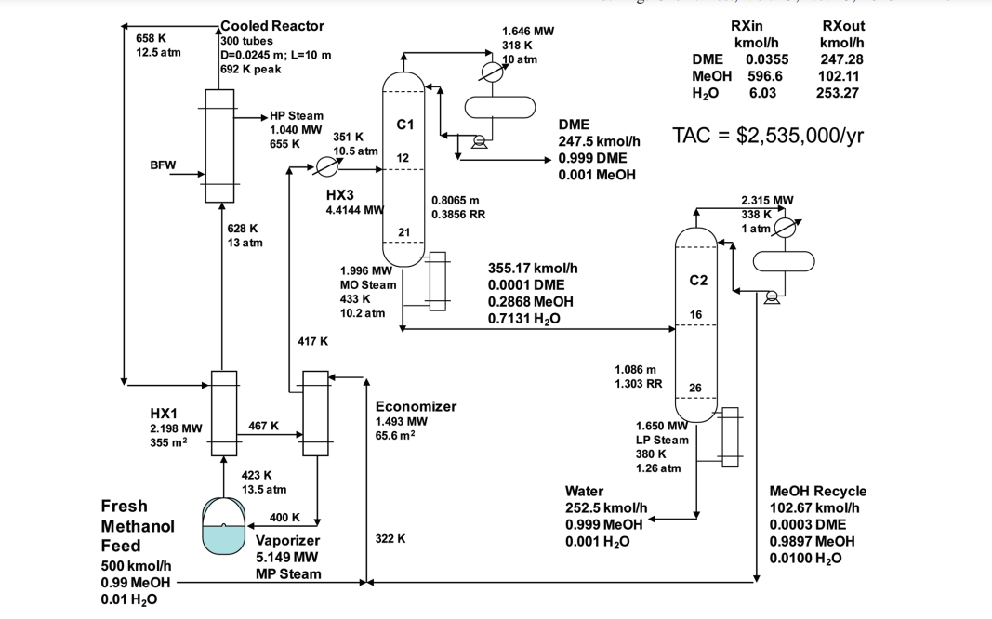
 |  |  |  |  |  |  |  |  |  |  |  |  |  |  |  |  |  |  |  |  |  |  |  |  |  |  |  |  |  |  | Remaining MeOH | 28.86435945
Methanol Feed |  |  | Recycle Feed |  |  | Total Feed |  |  | Post Reactor |  |  | Distillate |  |  | Bottoms |  |  | Feed for second process |  |  | Carbon Monoxide Feed |  |  | Recycle |  | Pre Reactor |  | Post Reactor |  |  | Post Separation
Methanol | 99.9 | kg/hr | Methanol |  | kg/hr | Methanol | 99.9 | kg/hr | Methanol | 17085.53353 | g/hr | DME | 69103.78999 | g/hr | DME |  |  | MeOH | 48.10726575 | g/hr | CO | 42029.26407 |  | Total Recycle | 34.78808865 | Moles MeOH | 20.74438151 | Mass MeOH | 1541.356795 |  | Distillate | 43.52096798 | moles/hr
Water | 0.1 | kg/hr | Water |  | kg/hr | Water | 0.1 | kg/hr | Water | 9709.279467 | g/hr | MeOH | 48.10726575 | g/hr | MeOH |  | g | DME | 69103.78999 | g/hr | Moles CO | 1499.973735 | mol/hr |  |  | Moles DME | 1500.51918 | Mass CO | 420.1426433 |  | DME | 14.45429236 | moles/hr | Diemers ratios
Total | 100 | kg/hr | Total |  | kg/hr | Total | 100 | kg/hr | DME | 119078.1046 | g/hr | Total Mass | 69151.89726 | g/hr | H2O |  |  | Total Mass | 69151.89726 | g/hr |  |  |  | Moles MeOH | 19.2429063 | Moles CO | 1514.973473 | Mass MeOAC | 109992.024 |  | MeOH | 27.13249788 | moles/hr | DME | 0.3333 | 144.9130435
Moles MeOH | 3117.977528 | mol/hr | Moles MeOH |  | mol/hr | Moles MeOH | 3117.977528 | mol/hr | Total Mass | 145872.9176 | g/hr | Moles MeOH | 1.501475211 | mol/hr | Total Mass |  |  | Moles MeOH | 1.501475211 | mol/hr |  |  |  | Moles CO | 14.99973735 |  |  | Mass DME | 691.0378999 |  | MeOAc | 1.934177735 | moles/hr | MeOH | 0.0023
Moles H2O | 5.549389567 | mol/hr | Moles H2O |  | mol/hr | Moles H2O | 5.549389567 | mol/hr | Moles MeOH | 533.2563522 | mol/hr | Moles DME | 1499.973735 | mol/hr | Moles MeOH |  |  | Moles DME | 1499.973735 | mol/hr |  |  |  | DME | 0.5454449947 |  |  | Total | 112644.5614 |  |  |  |  | MeOAC | 0.0446 | 7.47309417
Total Moles | 3123.526918 | mol/hr | Total Moles |  | mol/hr | Total Moles | 3123.526918 | mol/hr | Moles H2O | 538.8057418 | mol/hr | Total Moles | 1501.475211 | mol/hr | Moles DME |  |  | Total Moles | 1501.475211 | mol/hr |  |  |  |  |  |  |  | MeOH | 48.10726575 | 20.74438151
Mole Fraction MeOH | 0.9982233579 |  | Mole Fraction MeOH |  |  | Mole Fraction MeOH | 0.9982233579 |  | Moles DME | 2584.721176 | mol/hr | Mole Fraction DME | 0.999 |  | Moles H2O |  |  | Mole Fraction DME | 0.999 |  |  |  |  |  |  |  |  | CO | 14.99973735 | 29.45948416
Mole Fration H2O | 0.001776642146 |  | Mole Fration H2O |  |  | Mole Fration H2O | 0.001776642146 |  | Total Moles | 3656.78327 | mol/hr | Mole Fraction MeOH | 0.001 |  | Total Moles | 1070.546404 |  | Mole Fraction MeOH | 0.001 |  |  |  |  |  |  |  |  | MeOAc | 1484.973998 | 1485.513989
 |  |  |  |  |  |  |  |  | Mole Fraction MeOH | 0.1458266222 |  |  |  |  | Mole Fraction DME | 0.001 |  |  |  |  |  |  |  |  |  |  |  | DME | 14.99973735 | 15.0051918
1997600000 | 0.8699754281 |  |  |  |  |  |  |  | Mole Fraction H2O | 0.1473441826 |  |  |  |  | Mole Fraction MeOH | 0.2868 |  |  |  |  |  |  |  |  |  |  |  | Total Moles | 1563.080739 | 1550.723046 |  |  |  | Bottoms
 |  |  |  |  |  |  |  |  | Mole Fraction DME | 0.7068291952 |  |  |  |  | Mole Fraction H2O | 0.2878 |  |  |  |  |  |  |  |  |  |  |  |  |  |  |  |  | MeOAc | 1483.03982 | Moles
His inlet feed |  | Recycle |  |  |  |  |  |  |  |  |  |  |  |  |  |  |  |  |  |  |  |  |  |  |  |  |  |  |  |  |  |  | MeOH | 1.731861567 | moles
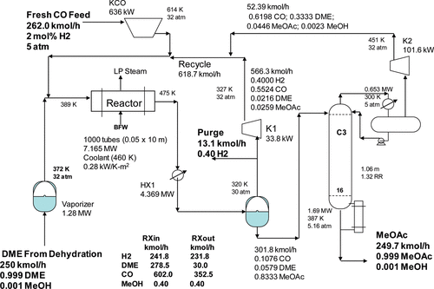
500 | Moles | 102.67 | Moles |  |  |  |  |  |  |  |  |  |  |  |  |  |  |  |  |  |  | DME feed Reactor | 278.5 | Recycle |  |  |  |  |  |  |  |  | Total | 1484.771682 | 0.9988335839
0.99 | MeOH | 0.0003 | DME |  |  |  |  |  |  |  |  |  |  |  |  |  |  |  |  |  |  | DME Conversion | 0.8934364452 | kmol/hr MEOH | 0.120497
0.01 | H2O | 0.9897 | MeOH |  |  |  |  |  |  |  |  |  |  |  |  |  |  |  |  |  |  |  |  | kmol/hr CO | 345.295442
 |  | 0.01 | H2O |  |  |  |  |  |  |  |  |  |  |  |  |  |  |  |  |  |  |  |  | kmol/hr MeoAc | 17.003764 |  |  |  |  |  |  |  | MeOAc | 287.0196007 | Moles
 |  |  |  |  |  |  |  |  |  |  |  |  |  |  |  |  |  |  |  |  |  |  |  | kmol/hr DME | 29.67795 |  |  |  |  |  |  |  | MeOH | 0.2870196007 | moles
Total |  |  |  |  | Diemers Distillate |  |  | Diemers Bottoms |  |  |  |  |  |  |  |  |  |  |  |  |  |  |  | kmol/hr Total Recycle | 392.097653 |  |  |  |  |  |  |  | Total | 287.3066203 | 0.999
 |  |  | Expected |  | 247.5 | Total |  | 355.17 | Total |  |  |  |  |  |  |  |  |  |  |  |  |  |  |  |  |  |  |  |  |  |  |  |  | 0.999000999
MeOH | 596.612499 |  | 298.3062495 |  | 0.999 | DME |  | 0.0001 | DME |  |  |  |  |  |  |  |  |  |  |  |  |  |  | Mole fraction MeOH | 0.0003073137497
H2O | 6.0267 |  | 298.3062495 |  | 0.001 | MeOH |  | 0.2868 | MeOH |  |  |  |  |  |  |  |  |  |  |  |  |  |  | Mole Fraction CO | 0.8806363398
DME | 0.030801 |  |  |  |  |  |  | 0.7131 | H2O |  |  |  |  |  |  |  |  |  |  |  |  |  |  | Mole Fraction DME | 0.07569020057
Total Flow | 602.67 |  |  |  | Total DME |  |  |  |  |  |  |  |  |  |  |  |  |  |  |  |  |  |  | Mole Fraction MeOAC | 0.04336614583
Mole fraction MeOH | 0.9899488924 |  |  | 0.8289736384 | 247.288017
Mole Fraction H2O | 0.01
Mole Fraction DME | 5.110757131E-05

